1-FM-Snowflake
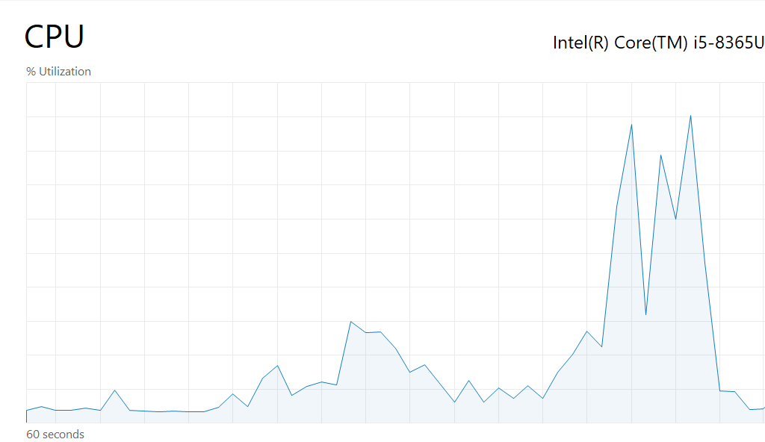
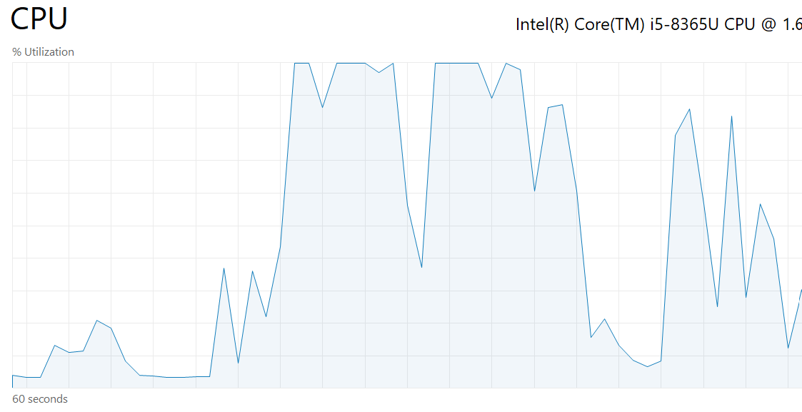
Performance Analyzer
 | Direct Query |  | Import

 | Max Time: | 2383 | Max Time: | 1039
 | Min Time: | 213 | Min Time: | 233
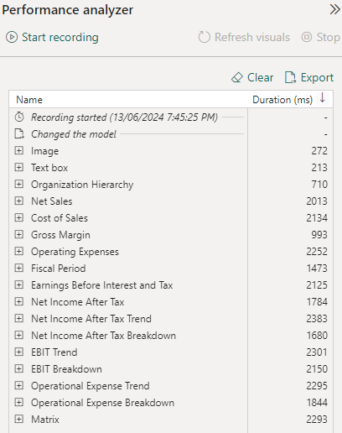
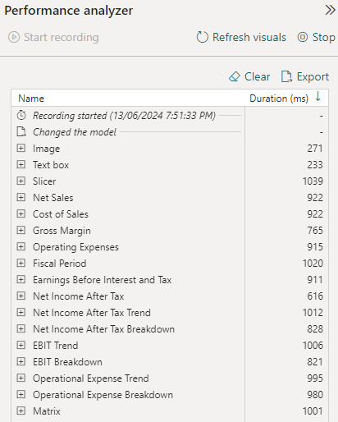

.pbix Refresh Speed
 | Seconds: | 3.92 | Seconds: | 7.64

CPU
 | Max CPU: | 90% | Max CPU: | 100%

2-FM-Filtered-Snowflake
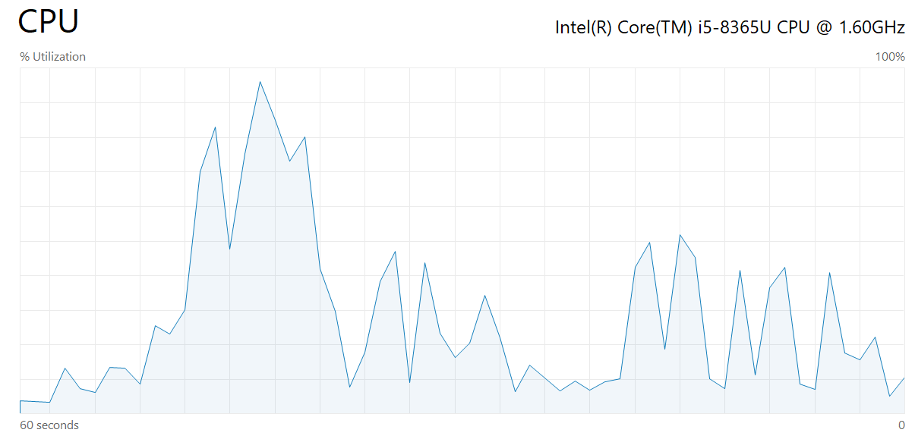
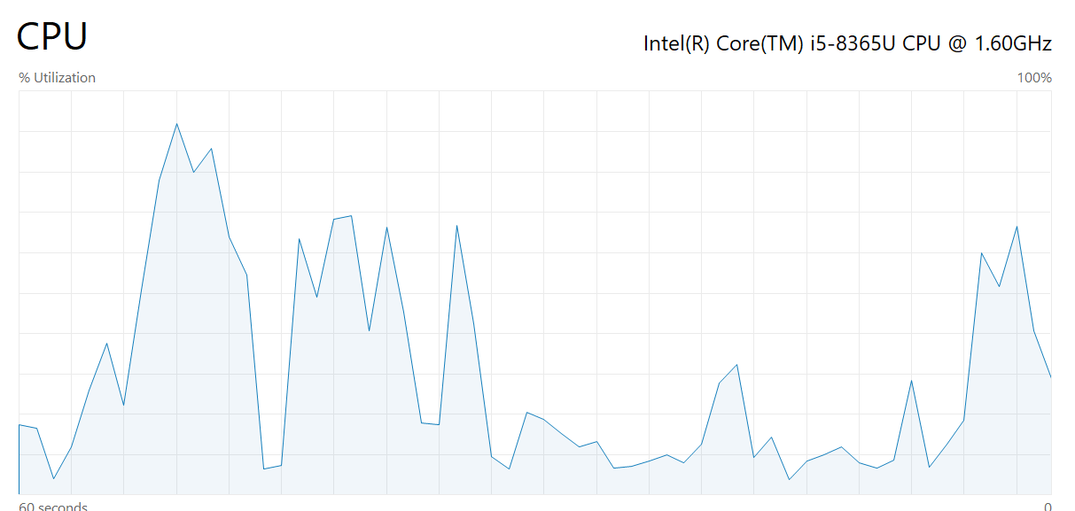
Performance Analyzer
 | DirectQuery |  | Import

 | Max Time: | 1508 | Max Time: | 811
 | Min Time: | 131 | Min Time: | 163
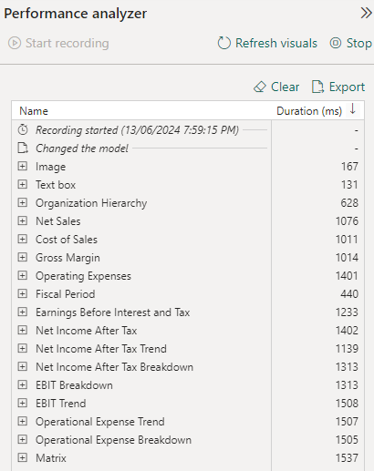
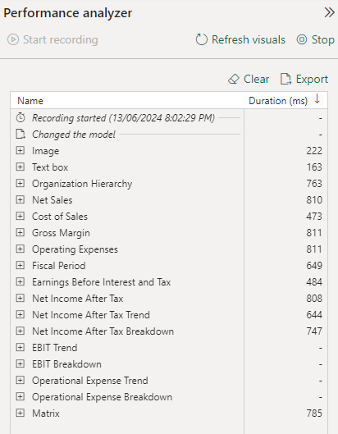

.pbix Refresh Speed
 | Seconds: | 3.74 | Seconds: | 4.52

CPU
 | Max CPU: | 96% | Max CPU: | 92%

3-FM-StarSchema
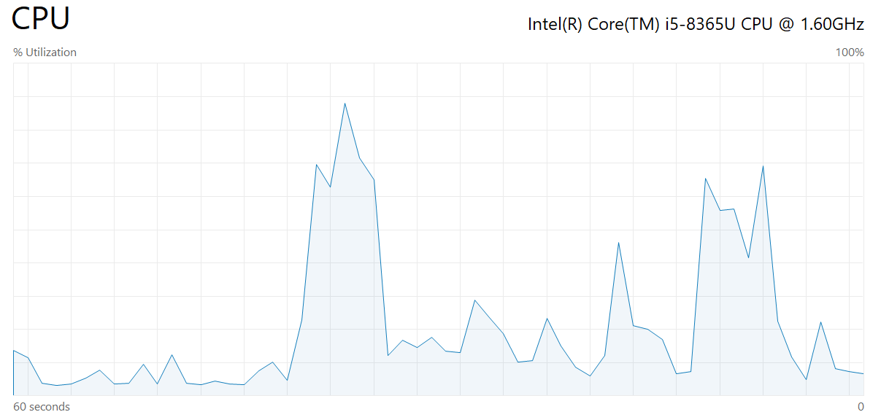
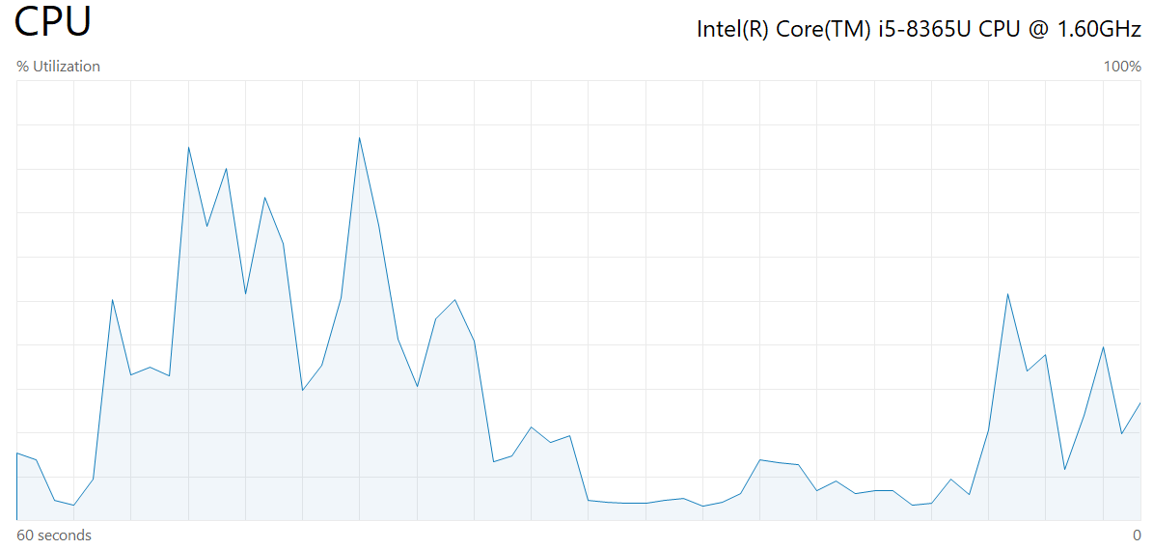
Performance Analyzer
 | DirectQuery |  | Import

 | Max Time: | 2303 | Max Time: | 1669
 | Min Time: | 255 | Min Time: | 261
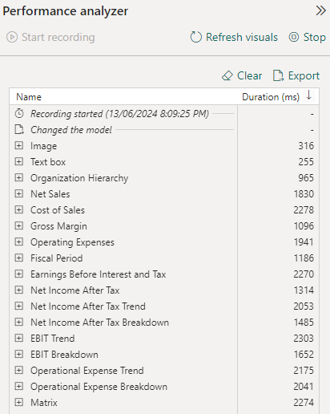
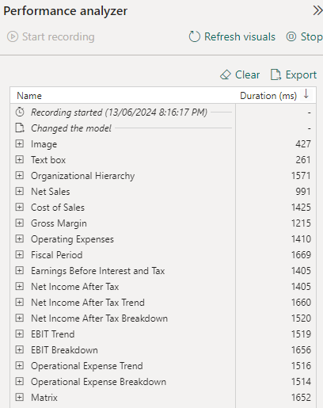

.pbix Refresh Speed
 | Seconds: | 2.96 | Seconds: | 8.43

CPU
 | Max CPU: | 88% | Max CPU: | 88%

4-FM-Filtered-StarSchema
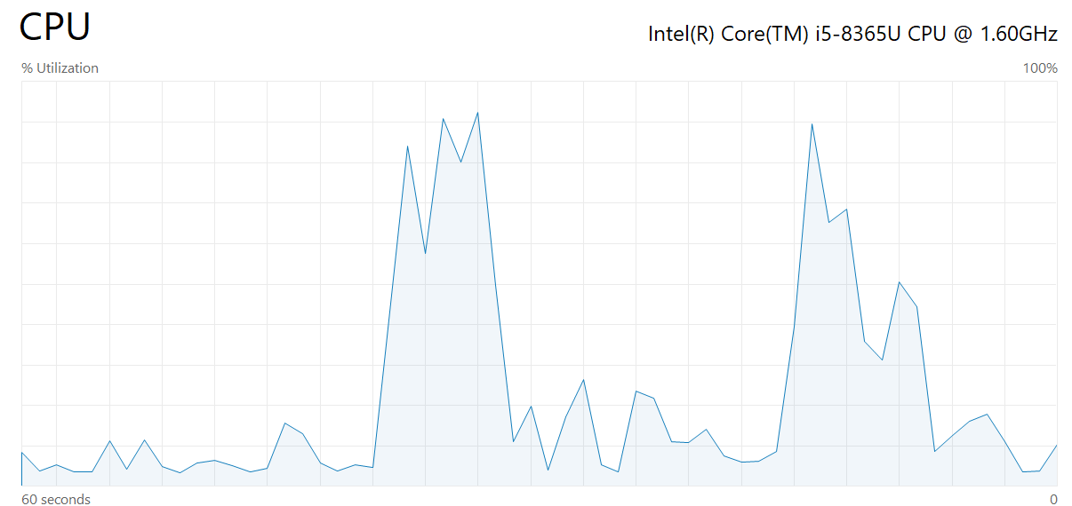
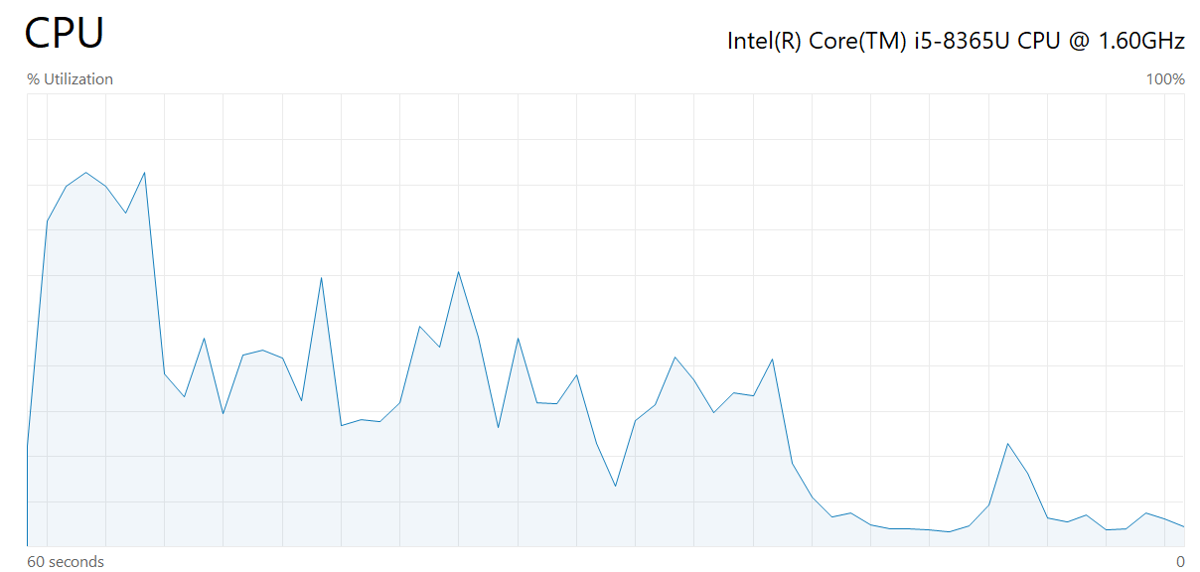
Performance Analyzer
 | DirectQuery |  | Import

 | Max Time: | 3351 | Max Time: | 1447
 | Min Time: | 193 | Min Time: | 228
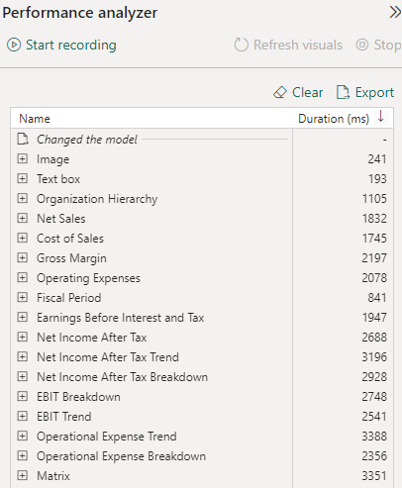
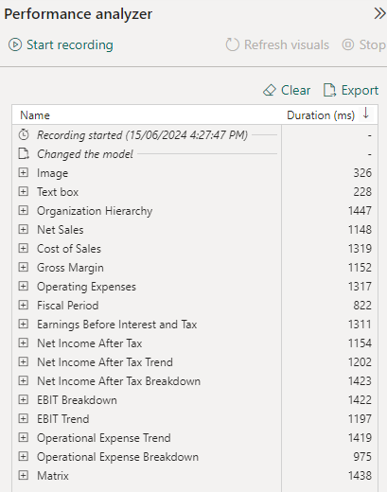

.pbix Refresh Speed
 | Seconds: | 2.84 | Seconds: | 4.1

CPU
 | Max CPU: | 91% | Max CPU: | 83%

Tables
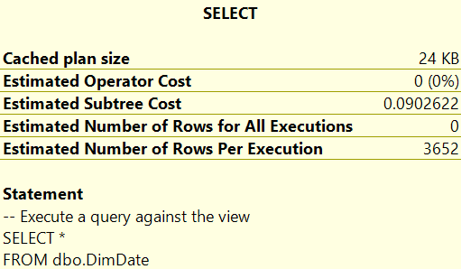
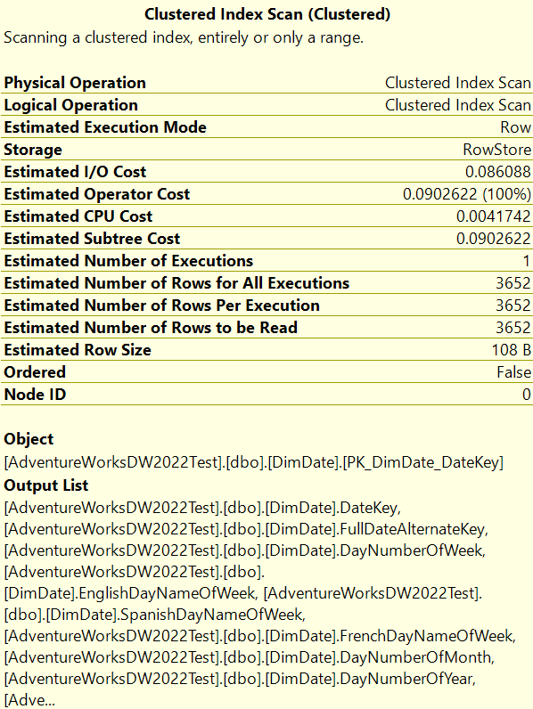
Tables
FactFinance
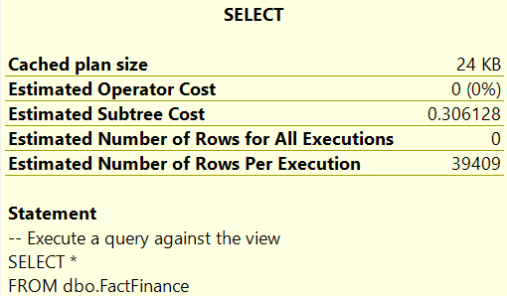
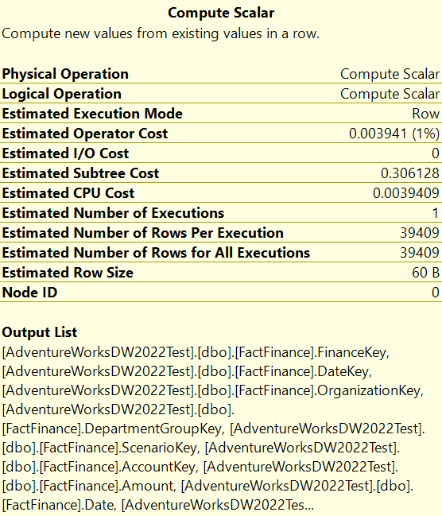

FactCurrencyRate
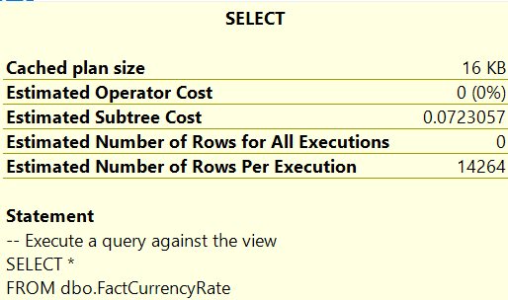
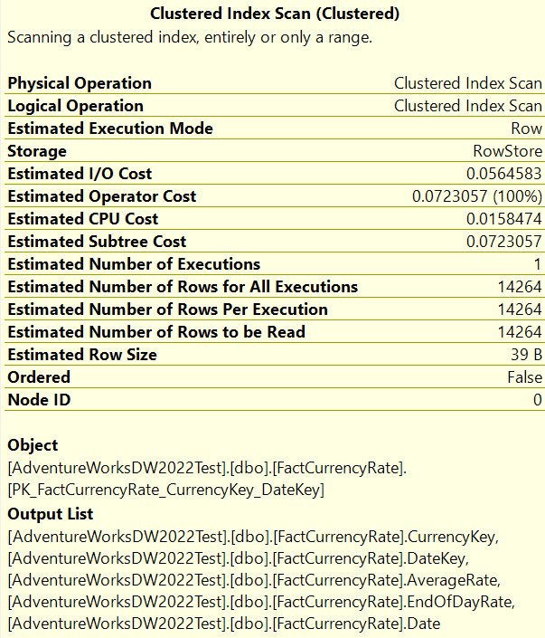

DimAccount
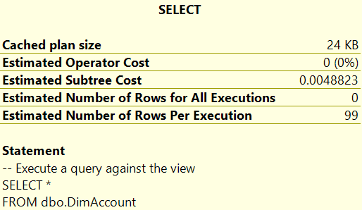
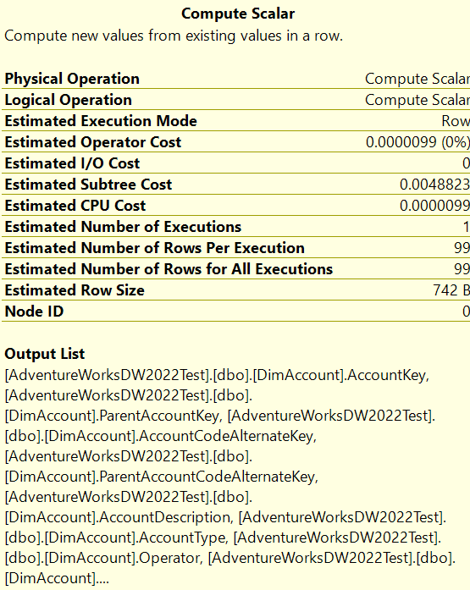
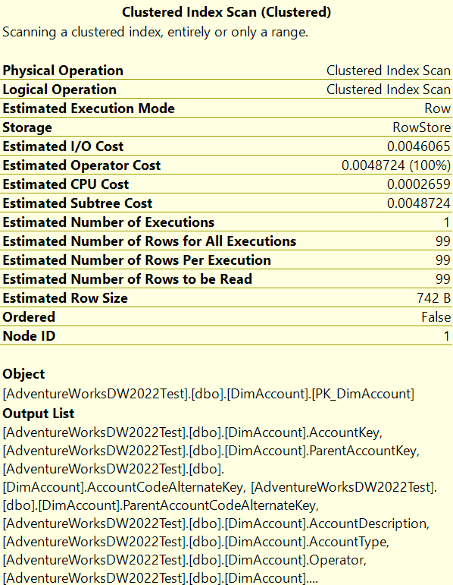

DimParentAccountOrder
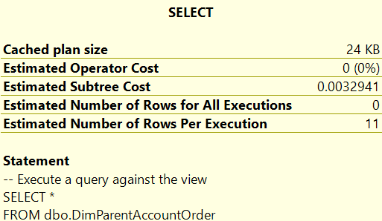

DimScenario
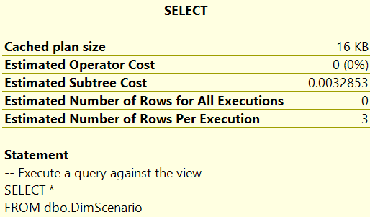
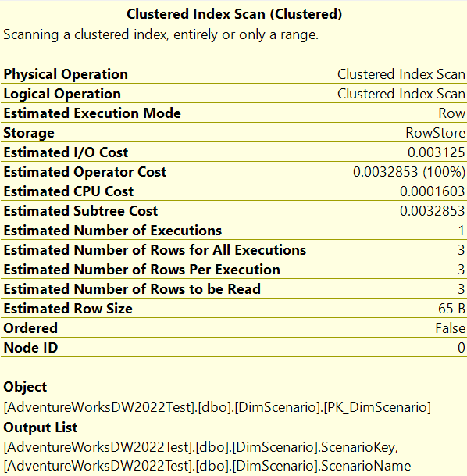

DimOrganization
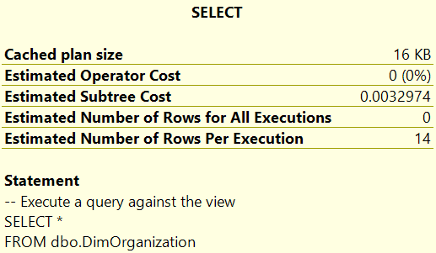
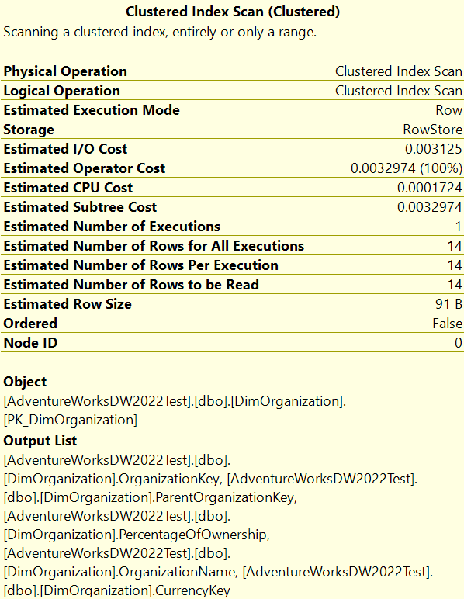

DimCurrency
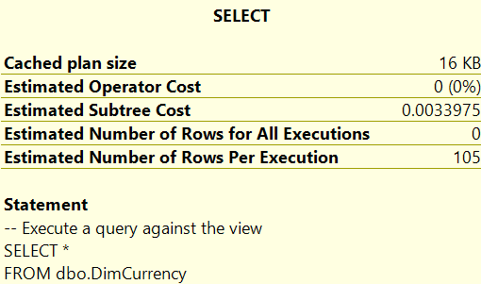
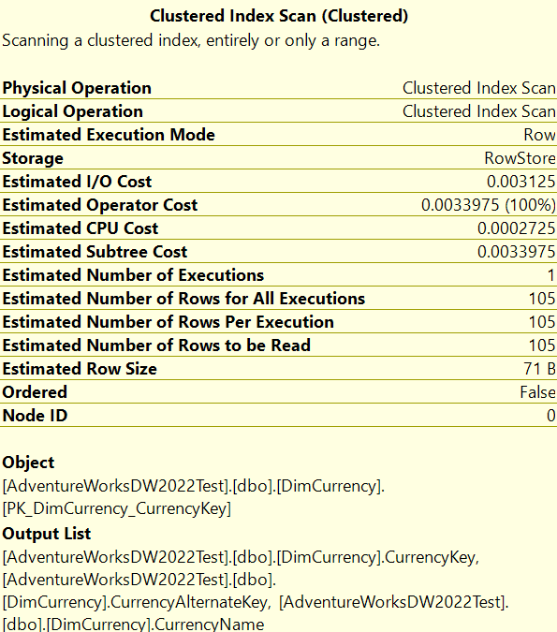

DimDate

Views
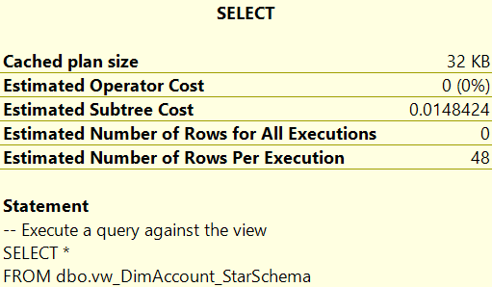
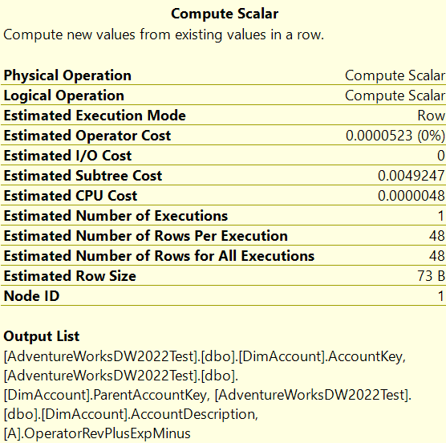
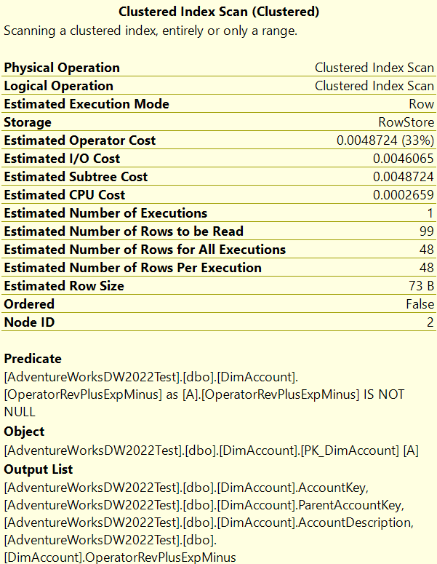
Views
vw_FactFinanceVFHF
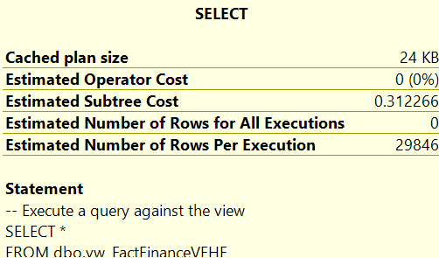
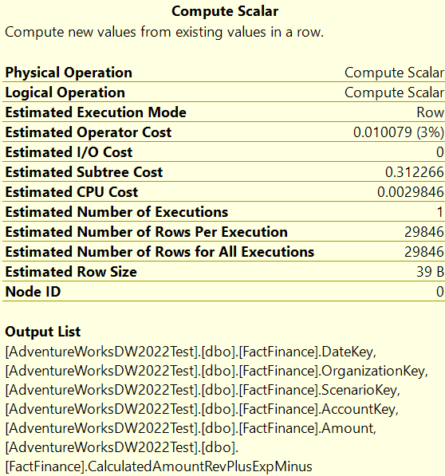

vw_FactCurrencyRateVFHF
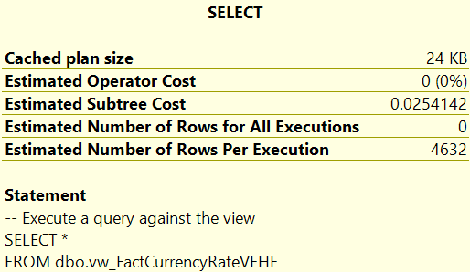

vw_DimAccountVFHF
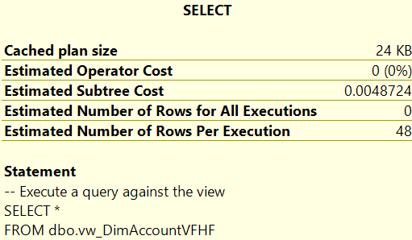
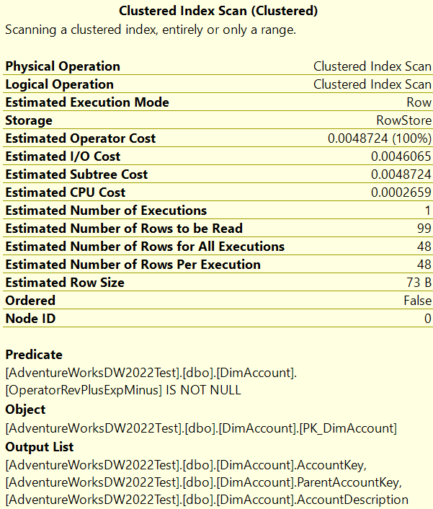

vw_DimParentAccountOrderVF
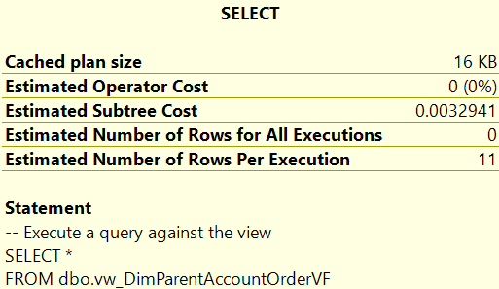
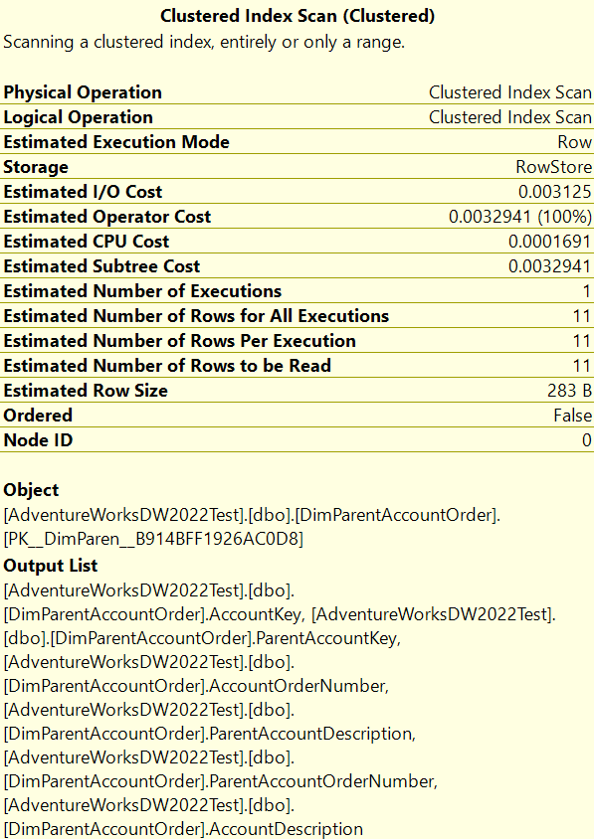

vw_DimScenario
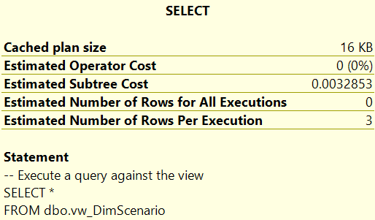
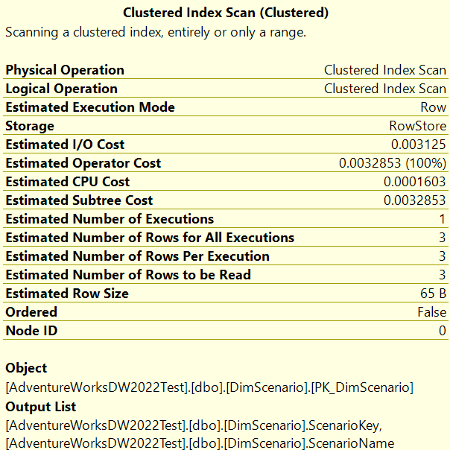

vw_DimOrganizationVF
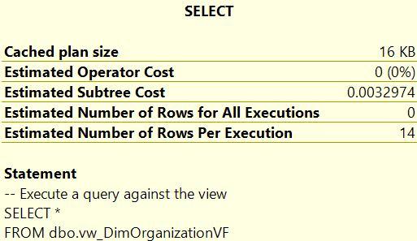
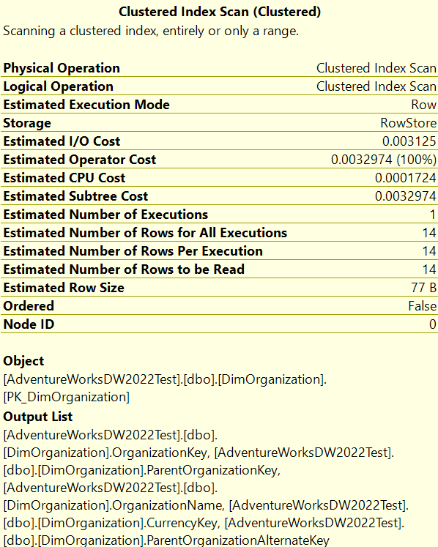

vw_DimCurrency
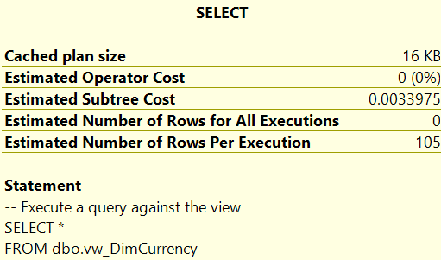
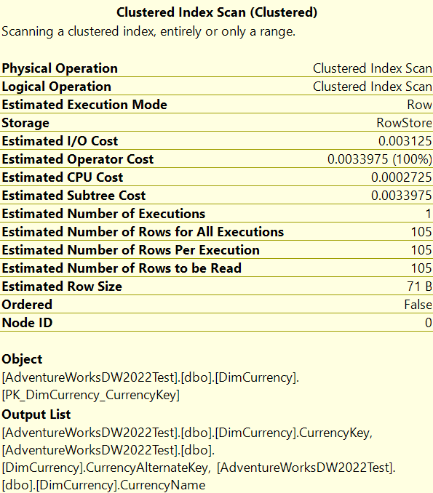

vw_DimDateVF
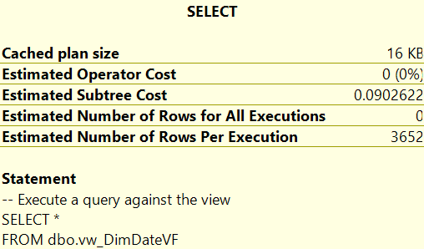
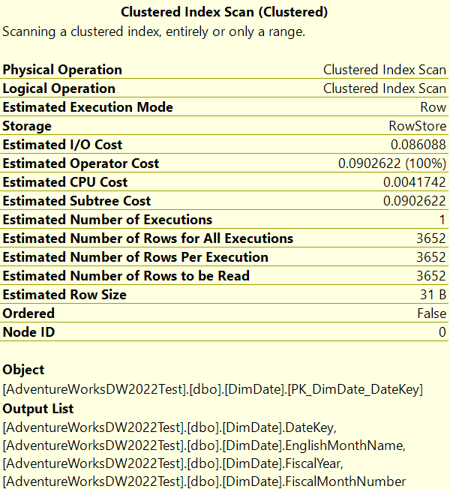

vw_DimOrganization_StarSchema






vw_DimAccount_StarSchema

